Sheet1
1/r^2
Sensor # | x | y | r = √(x^2 +y^2) | θ = tan-1(y/x) | |E| | Electric Field Angle | |E| * r^2 | r^2
1 | 0.5 | 0 | 0.5 | 0 | 36.6 | 0 | 9.15 | 4
2 | 0 | 0.5 | 0.5 | 90 | 36.6 | 90 | 9.15 | 4
3 | -0.5 | 0 | 0.5 | 0 | 36.6 | 0 | 9.15 | 4
4 | 0 | -0.5 | 0.5 | -90 | 36.6 | -90 | 9.15 | 4
5 | 0.5 | -0.5 | 0.70710678119 | -45 | 18.3 | -45 | 9.15 | 2
6 | -0.5 | -0.5 | 0.70710678119 | 45 | 18.3 | 45 | 9.15 | 2
7 | -0.5 | 0.5 | 0.70710678119 | -45 | 18.3 | -45 | 9.15 | 2
8 | 0.5 | 0.5 | 0.70710678119 | -45 | 18.3 | -45 | 9.15 | 2
9 | 1 | 0.5 | 1.1180339887 | 26.6 | 7.17 | 26.6 | 8.9625 | 0.8
10 | 1.5 | 1 | 1.8027756377 | 33.7 | 2.74 | 33.7 | 8.905 | 0.30769230769

Sheet2
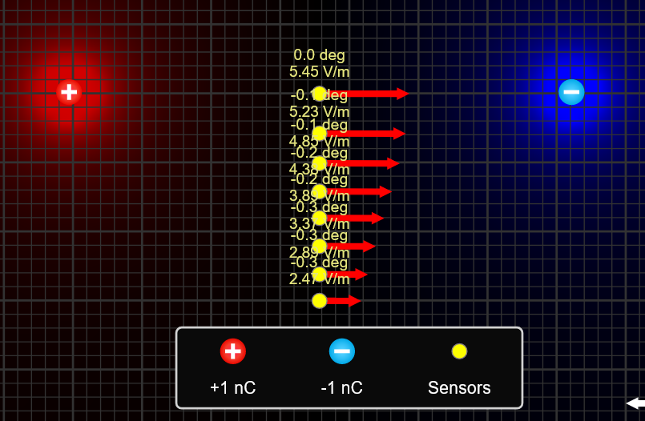
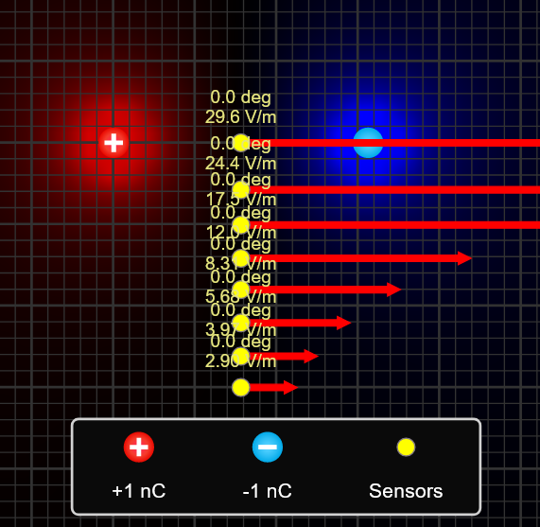
d = 29,5 cm
z (cm) | 30.4 | 50.4 | 70.4 | 80.4 | 110.5 | 10.4 | 29.6 | 49.6
E | 92.1 | 26.8 | 10.5 | 5.09 | 2.75 | 251 | 64.6 | 20.5
Direction | 0.6 | -0.5 | -1.1 | -1.4 | -0.3 | -1.6 | -3 | -0.7
Electric Field Dipole | 188.66758962 | 41.402488242 | 15.191479588 | 10.198819499 | 3.9285403468 | 4712.1383603 | 204.38212895 | 43.438320204

d = 156,9 cm |  |  |  |  |  |  |  |  | d = 205,2 cm
z (cm) | 0.1 | 28.8 | 50.4 | 72 | 90 | 110.4 | 130.8 | 150 | z (cm) | 0.1 | 28.8 | 50.4 | 72 | 90 | 110.4 | 130.8 | 150
E | 29.6 | 24.4 | 17.5 | 12 | 8.31 | 5.68 | 3.97 | 2.9 | E | 5.45 | 5.23 | 4.85 | 4.38 | 3.89 | 3.37 | 2.89 | 2.47
Direction | 0 | 0 | 0 | 0 | 0 | 0 | 0 | 0 | Direction | 0 | -0.1 | -0.1 | -0.2 | -0.2 | -0.3 | -0.3 | -0.3
Electric Field Dipole | 28191551621 | 1180.1616997 | 220.20509848 | 75.530348779 | 38.671538575 | 20.95133781 | 12.597830115 | 8.3530523322 | Electric Field Dipole | 36870021623 | 1543.4619552 | 287.99290126 | 98.781565134 | 50.576161348 | 27.400984822 | 16.47593843 | 10.924450851

